SAFETY POINT CLOUDS
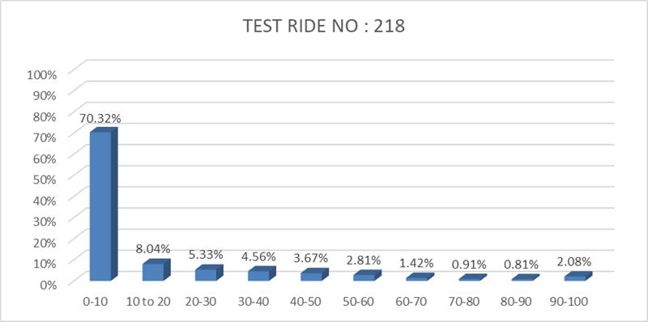
SAFETY POINT CLOUDS
 | Y axis value
16.3 | 30
50 | 97.59
100 | 100
85.9 | 96.11
81.8 | 35.07
73.8 | 55.43
66.6 | 49.97
65.6 | 48.36
60.3 | 59.14
10 | 46.31
56.7 | 52.38
54.9 | 56.68
19.8 | 34.98
51.3 | 58.65
50.4 | 82.41
50.4 | 0
54.8 | 47.02
49.5 | 50.58
49.5 | 46.77
46.8 | 35.63
45 | 34.6
45.4 | 33.45
43.2 | 37.51
44.4 | 28.93
43.7 | 38.54
41.5 | 49.34
39.6 | 26.98
38.7 | 45.82
36.9 | 38.54
41.7 | 37.97
36 | 47.11
34.2 | 23.53
30.6 | 29.77
30.6 | 50.94
29.7 | 49.71
33 | 34.42
28.8 | 43.58
28.8 | 46.3
30.8 | 54.32
27.9 | 31.23
36.4 | 42.29
27.8 | 42.81
31 | 39.75
30 | 55.52
25.2 | 31.08
27.1 | 31.54
24.3 | 28.46
24.3 | 48.73
26.6 | 18.42
23.4 | 39.9
...

SAFE | LOW AUDACITY | GOOD DRIVER | HIGHLY SAFE
SAFE | HIGH AUDACITY | SPORTIVE DRIVER | MODERATELY SAFE
MODERATE | LOW AUDACITY | CARELESS DRIVER | SOMEWHAT SAFE
MODERATE | HIGH AUDACITY | RECKELESS DRIVER | BARELY SAFE
RISKY | LOW AUDACITY | QUIET DANGEROUS DRIVER | LEAST SAFE
RISKY | HIGH AUDACITY | BAD DRIVER | COMPLETELY UNSAFE
X = 100 - (90% of ANTICIPATION + 10% of DRIVING SKILL)
Y = SELF CONFIDENCE

X = (0<= X <=6) SAFE
X = (6< X <= 16) MODERATE
X = (16< X <=100) RISKY
Y = (0<= Y<= 50) lOW AUDACITY
Y = (50< Y<= 100) HIGH AUDACITY

la = (0<= Z< 84)
ma = (84<= Z< 94)
ha = (94<= Z<= 100)
ld = (0<= Z< 84)
md = (84<= Z< 94)
hd = (94<= Z<= 100)

Anticipation : Ability not to enter into red risk
Selfconfidence : Most frequent range of risk value
Driving skill : Ability to reproduce same range of risk

RESULT & REMEDY
ANTICIPATION
Simply means, "driving discipline, which driver shows via speed of the vehicle"
------------------------------------------------------------------------------------------------------------------------------------------------------------------------------------------------------------------------------------------------------------
⇒ (94<= x<= 100)
RESULT
• Your adherence to traffic laws has been impeccable.
• You exhibit excellent traffic discipline.
• You have been driving at the right speed for each designated area of your travel route.
REMEDY
• Keep it up
------------------------------------------------------------------------------------------------------------------------------------------------------------------------------------------------------------------------------------------------------------
⇒ (84<= x< 94)
RESULT
• Your adherence to traffic laws has been less than ideal. • You exhibit average traffic discipline.
• Your speed is not completely appropriate for different zones of your travel area.
REMEDY
• Pay attention to the posted speed limit signs and adjust vehicle's speed accordingly.
• Use a GPS navigation system or a map to identify the speed limits in different areas and plan the driving speed accordingly.
• Be aware of your surroundings and adjust vehicle's speed according to any changes in traffic flow or road conditions or Alert boards.
• Avoid distractions such as using mobile phones or eating while driving, which can impact your ability to maintain an appropriate speed.
• Practice defensive driving techniques, which include maintaining a safe following distance and anticipating changes in traffic flow, to help them adjust vehicle's speed accordingly.
------------------------------------------------------------------------------------------------------------------------------------------------------------------------------------------------------------------------------------------------------------
⇒ (0<= x< 84)
RESULT
• Your noncompliance with traffic laws has been absolute. • You exhibit poor traffic discipline.
• You have completely failed to drive at a safe and reasonable speed for each zone of your travel area.
REMEDY
• Pay attention to the posted speed limit signs and adjust vehicle's speed accordingly.
• Use a GPS navigation system or a map to identify the speed limits in different areas and plan the driving speed accordingly.
• Be aware of your surroundings and adjust vehicle's speed according to any changes in traffic flow or road conditions or Alert boards.
• Avoid distractions such as using mobile phones or eating while driving, which can impact your ability to maintain an appropriate speed.
• Practice defensive driving techniques, which include maintaining a safe following distance and anticipating changes in traffic flow, to help them adjust vehicle's speed accordingly.
------------------------------------------------------------------------------------------------------------------------------------------------------------------------------------------------------------------------------------------------------------

